GTD
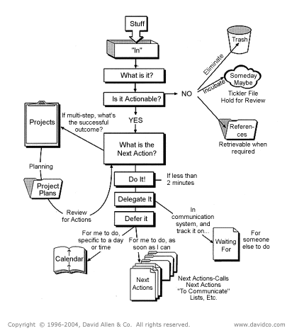
"The great secret about goals and visions is not the future they describe but the change in the present they engender." ~David Allen
 | Horizons of Focus | Context | Altitude | Question
 |  | Next-Actions | Runway | What is it? What’s the desired outcome?
 |  | Projects | 10,000 feet level | Is it actionable? What’s the next action? (Does it have more than one next action?)
 |  |  |  | What has to happen first?
 |  |  |  | What does doing look like?
 |  |  |  | Where does it happen?

 |  | Areas of Responsibility | 20,000 feet level | What do I need to maintain?
 |  | Short-Term Goals | 30,000 feet level | What do I want to achieve?
 |  | Long-Term Goals | 40,000 feet level | What would long-term success look, sound and feel like (usually further than two years)?
 |  |  |  | If you were wildly successful in the coming years, what do you imagine or see yourself doing or being?
 |  | Purpose/Mission | 50,000 feet level | Why/How am I (are we)?

 | Workflow
 | COLLECT / CAPTURE
 | PROCESS / CLARIFY
 | ORGANIZE
 | REVIEW / REFLECT
 | DO / ENGAGE

